Morgan Packing list
Category | Item | Source | Status | Owner | Paid by | Total Cost | Cost per person | Column 1
Tent Setup | Tent |  | Complete
Tent Setup | cooler - https://www.homedepot.com/p/Hessaire-900-CFM-2-Speed-Portable-Evaporative-Cooler-for-350-sq-ft-in-Gray-MC12V/327848113 |  | Complete
Tent Setup | carpet |  | Complete
Tent Setup | bed sheet |  | Complete
Tent Setup | hanging clip lights |  | Complete
Tent Setup | 25 feet min extension chord for light |  | Complete
Tent Setup | clothing rack |  | Complete
Bedding & Sleep | sleeping bag |  | Complete
Bedding & Sleep | Sleep mask & earplugs |  | Complete
Bedding & Sleep | pillows |  | Complete
Shower & Hygiene | Lotion & lip balm |  | Complete |  |  | travel packs
Shower & Hygiene | Towels |  | Complete |  |  | 2 towels
Shower & Hygiene | shower wipes |  | Complete
Shower & Hygiene | Portable mirror |  | Complete
Shower & Hygiene | Biodegradable soap / shower stuff |  | Complete
Shower & Hygiene | butt wipes |  | Complete
Shower & Hygiene | Hand sanitizer |  | Complete
Eating | utensils to eat |  | Complete
Eating | plates / cups / bowl |  | Complete
Eating | Refillable bottles/camelbaks |  | Complete
Eating | Electrolyte tablets/mixes |  | Complete
Costumes & Clothing | face gems |  | Complete
Costumes & Clothing | goggles |  | Complete
Costumes & Clothing | dust mask |  | Complete
Costumes & Clothing | Boots/shoes (including a backup pair) |  | Complete
Costumes & Clothing | Camp sandals |  | Complete
Costumes & Clothing | Utility belt/fanny pack |  | In Progress
Costumes & Clothing | backpack or water back |  | Complete
Costumes & Clothing | hand fan |  | Complete
Costumes & Clothing | Glow items |  | Complete
Costumes & Clothing | sweatpant set |  | Complete
Costumes & Clothing | t shirt |  | Complete
Costumes & Clothing | dust free after outfit |  | Complete
Costumes & Clothing | workout set |  | Complete
Costumes & Clothing | catsuit outfit |  | Complete
Costumes & Clothing | scarf |  | Complete
Costumes & Clothing | 2 bikini sets |  | Complete
Costumes & Clothing | pink fluffy jacket |  | Complete
Costumes & Clothing | white fake fur jacket |  | Complete
Costumes & Clothing | sleeping underwear (9 pairs) |  | Complete
Bikes & Mobility | Bike locks |  | Complete
Bikes & Mobility | Bike lights |  | Complete
Bikes & Mobility | Bike decorations |  | Complete
Personal Care & Meds | Allergy pills
Personal Care & Meds | contacts + glasses |  | Complete
Personal Care & Meds | Nasal spray |  | Complete
Personal Care & Meds | recovery vitamins |  | Complete
Personal Care & Meds | klennix packets |  | Complete
Personal Care & Meds | spray bottle |  | Complete
Personal Care & Meds | vinegar |  |  |  |  | Vinegar or Witch Hazel + container your feet & hands fit into, also add a little to each package of baby wipes & spray bottle
Personal Care | plastic sandwich bags to pack things |  | Complete
Personal Care | travel water bottle |  | Complete
Personal Care | sunscreen |  | In Progress
Personal Care & Meds | Female urination device | https://www.amazon.com/dp/B07D9V5LTM/?coliid=IIIJ4MQP5D5QK&colid=21VLK8KMLZCM8&psc=1&ref_=list_c_wl_lv_ov_lig_dp_it | Complete
Personal Care & Meds | Boric acid supositories | https://www.amazon.com/AZO-Vaginal-Suppositories-Support-Clinically/dp/B098JYL6FV/ref=sr_1_2_sspa?crid=1H2L2GT98B7VZ&dib=eyJ2IjoiMSJ9.YNNefWML3Y6jZybsDg8beTs3DTXxFcNDPvGC_ibpb0DsIOZAhtxeN1bcAg4hq79eTz9KbHeYfQpmvlzXzvorn_cBzT_feLQMLJLely58bpNMWC7BAAQw-sve4Wt02gEpi5Txe6684jFtajc8zNI8iy3nlVEh3dhavYCON6M3m6LV1qpWNob12lB7nv6S7SPSBn-S4YIBxpV6Fc6galIHEvSq6ntGSNv--PxI-Kqj5pOfmtv9eo2LPkGiZHKAFB4CXINKuQzOhySGtAj3nLhcBM3RyZN0A5qNcKzsve7ZF4s.v27i2uBtyP6xzjc86gUAy7cBMv7SI9YLW5MBb71Ylps&dib_tag=se&keywords=boric%2Bacid&qid=1751328689&sprefix=boric%2Bacid%2Caps%2C123&sr=8-2-spons&sp_csd=d2lkZ2V0TmFtZT1zcF9hdGY&th=1 | Complete
Personal Care & Meds | Monistat cream |  | Complete
Personal Care & Meds | Diaper cream for vaginal irritation on skin or rash | https://www.amazon.com/Treatment-Prevention-Hypoallergenic-Phthalate-Paraben-Free/dp/B00ZQXT4EY/ref=sr_1_1_sspa?crid=1Z7S3RFQ7AFM5&dib=eyJ2IjoiMSJ9.1_hbkIOjmXrVuX0T8wK90osPZXaZmt3izeKW-UZB6migzdDH87ONh-4FTg4d-hWMBxdvEEKIY1dPwFWmlZUFDRNGJyjnlccwiDgGSq3LnfK3sBeWcZ7VbvOHqDnPxaxMLfik_qDBSp1lqV9l-mv4t8ngpEy4DMP3yH3AJdhys4cUxte0TJYO0_BK2gh7lyeZBNNdEn6f7nhDh-pM9rkm_8QC6TGfVfcuAmJI9Dbfyp0FV0YqQm5F8B642lzgfuBf_lCtRsNLFnfk3e14u2Xal14plmg2fovOJjdWGZfNyWM.knx5dbLJjjVjr8esGlQvJxhMBvHB4nSV7hUde8yYbrA&dib_tag=se&keywords=diaper%2Bcream&qid=1751328999&sprefix=diaper%2Bcream%2Caps%2C132&sr=8-1-spons&sp_csd=d2lkZ2V0TmFtZT1zcF9hdGY&th=1 | Complete
Personal Care & Meds | Vaginal wipes to clean off dust | https://www.amazon.com/Good-Clean-Love-Moisturizing-pH-Balanced/dp/B09KDQ5HDR/ref=sr_1_2_sspa?crid=3G1JTU0YWP82Q&dib=eyJ2IjoiMSJ9.59mF-bFR2B6DeXoCtDslLnrxfqt4DqVwB1uqVISsiXO3Vpa3H1_u__GdLXxEoEUfBfQCqKbfoKm4sLTCYiyfcQ2wQzDrmidVstPRgnV9LsQ28O0Ko_HRso1E2Jlsw3LGM7E25mKgxFiflz0Tcew49T4WyiaIjY_BfhUl9JM2VqNiB0uiIXIM6gvvA59c_qQr1k5R65_EF3wm5CP4fI9RKYDUovy2nWCVLbadjCYjl9XandAimqCogV-4FmZGIaagFpfQ-4fPo-WF92au8DXLxYqI8BytwFDhQ9DBIFOf9iM.0O5HtTvU-orFv-7G_fPPv_ze9zFFuMMS8pjy9ep4OYM&dib_tag=se&keywords=good%2Bwipes&qid=1751328878&sprefix=good%2Bwipes%2Caps%2C124&sr=8-2-spons&sp_csd=d2lkZ2V0TmFtZT1zcF9hdGY&th=1 | Complete
Personal Care & Meds
Personal Care & Meds | pill container - put all meds in |  | Complete
Playa Gear & Fun | Drinks tumbler (w/ lid and copy of DL on the front) |  | Complete

Documents & Essentials | ID/License & Health Insurance card
Documents & Essentials | Credit card/cash
Documents & Essentials | Phone waterproof case |  | Complete

head scarf
fun hat
backpack
hiking boots
sandals for camp
platform boots | WHITE PURCHASED
yoga workout set
sweatpants
long t shirt
t shirt
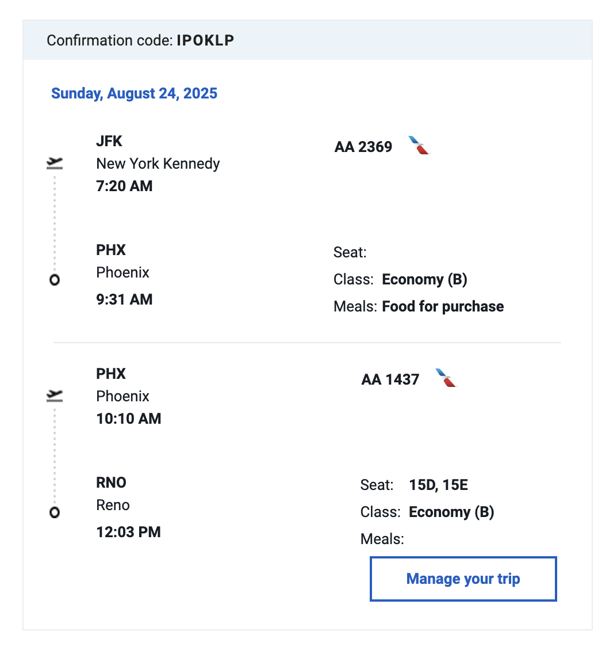
undies for sleep
thick socks | DONE
bikini
nipple covers | DONE

 | At all times MUST HAVE:
 | goggles
 | dust mask
 | water
 | snakcs
 | flashlight
 | toilet paper
 | cup w id
 | sunscreen | PURCHASED
 | lip balm | PURCHASED
 | first aid
 | thermal top
 | contacts
 | hand sanitizer | PURCHASED

Totals
$800 camp fee
$750 ticket
$200 bike
$160 return bus
$212 bus

$2,122

SM Tix & Receipts
